dashboard
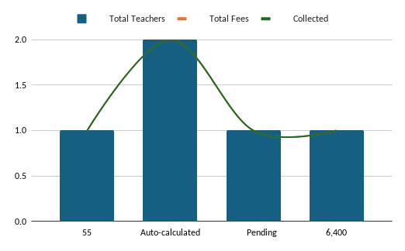
SCHOOL MANAGEMENT DASHBOARD
Students • Teachers • Attendance • Fees | Excel Based Management System

👥 Total Students |  | 👩‍🏫 Total Teachers | 💰 Total Fees |  |  | ✅ Collected
55 |  | 50 | 106,700 |  |  | 100,300
Auto-calculated |  | Auto-calculated | Auto-calculated |  |  | Auto-calculated

⏳ Pending |  | 🟢 Present Today | 🔴 Absent Today |  |  | 🏦 Teacher Salary
6,400 |  | 38 | 17 |  |  | 3,907,500
Auto-calculated |  | Auto-calculated | Auto-calculated |  |  | Auto-calculated

Value vs. Metric
Quick Summary |  |  |  | Fee Status | Count |  | Attendance | Count
Metric | Value |  |  | Paid | 42 |  | Present | 38
Paid Students | 42 |  |  | Partial | 13 |  | Absent | 17
Partial/Unpaid | 13 |  |  | Unpaid | 0 |  | Leave | 11
Paid, Partial and Unpaid
Count
Eligible Students | 34
Not Eligible | 21
Late Students | 15
On Time Students | 23

Fee Collection Rate
Collected | 100,300
Pending | 6,400
Collection % | 94%

 |  |  |  | Amount | Value
 |  |  |  | Collected | 1OO,300
 |  |  |  | Pending | 6,400

